Final (Selected) Media Outlets
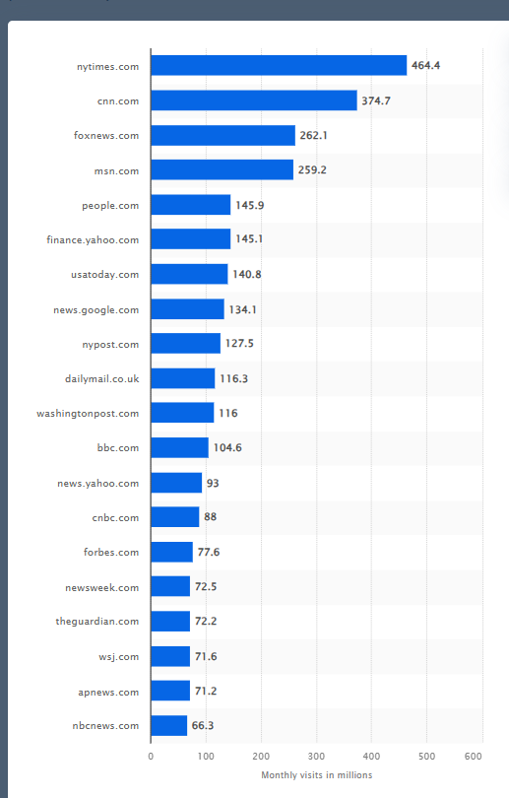
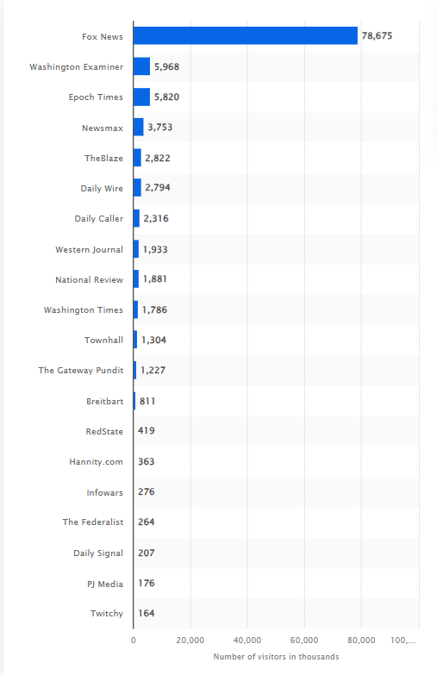
Left |  | Lean Left | Monthly Visits (in millions) | Center | Monthly Visits (in millions)
MSNBC |  | CNN | 372.7 | BBC News | 104.6 | https://www.similarweb.com/ | Use a web analyzer to see the web traffic?
The New Yorker |  | New York Times | 464.4 | Forbes | 77.6
 |  | USA Today | 140.8 | Wall Street Journal | 71.6
 |  | The Washington Post | 116
 |  | Yahoo News | 93

Lean Right | Number of unique visitors 9/2023(in thousands) | Monthly Visits (in millions) | Right | Number of unique visitors 9/2023(in thousands) | Monthly Visits (in millions)
New York Post |  | 127.5 | Fox News |  | 262.1
Washington Examiner | 5968 |  | Daily Mail |  | 116.3
Epoch Times | 5820 |  | Newsmax | 3753
National Review | 1881 |  | The Blaze (Blaze Media) | 2822
The Washington Times | 1786 |  | Daily Wire | 2794

*Sources
Most popular news websites U.S. by monthly visits 2023 | Statista
U.S. most visited conservative & right-wing websites 2023 | Statista

% Household Income Distrib.
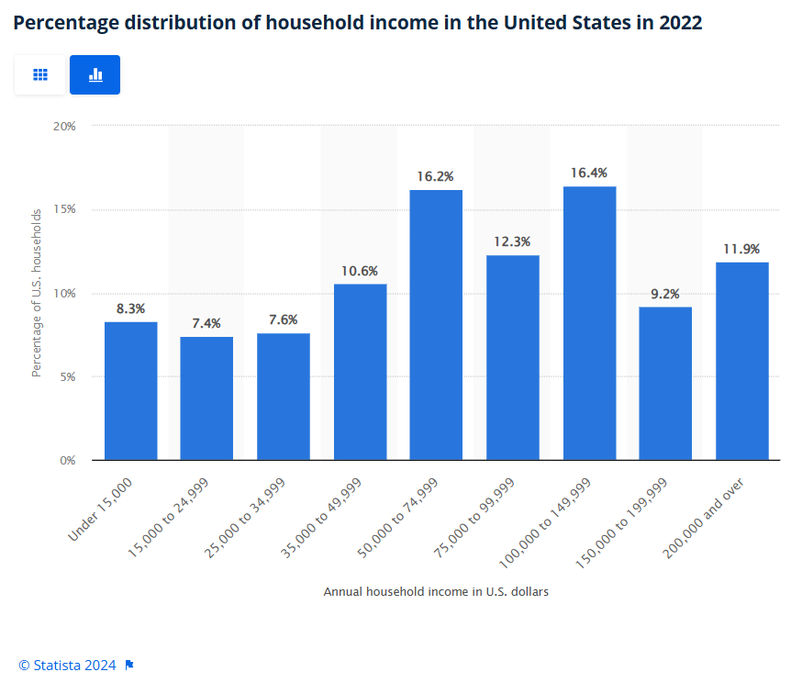
% Distribution of household income in the United States in 2022
Source: Statista
 |  | U.S. Population (6/20/2024 1:19pm) | 336,617,495
Annual household incomes in U.S. dollars | % of U.S. households | U.S. households by number
Under 15,000 | 8% | 27939252.085
15,000-24,999 | 7% | 24909694.63
25,000-34,999 | 8% | 25582929.62
35,000-49,999 | 11% | 35681454.47
50,000-74,999 | 16% | 54532034.19
75,000-99,999 | 12% | 41403951.885
100,000-149,999 | 16% | 55205269.18
150,000-199,999 | 9% | 30968809.54
200000 & over | 12% | 40057481.905
 | Total | 336280877.5

Source: Pew Research Center
2018 Analysis of Government Data
Income class | % | Number of People
Low-income | 29% | 97619073.55
Middle-income | 52% | 175041097.4
Upper-income | 19% | 63957324.05

